(1) ARCO Capital Budgeting
FINANCIAL MODELING - CAPITAL BUDGETING

ARCO Corp. is a manufacturer of automotive brake pads for original equipment manufacturers (OEMs). General Motors has approached them to manufacture brake pads for a new model. GM is currently not a customer and their brake pad is unique and requires a specialized machine. The contract will be for 7 years and will require the purchase of the specialized machine that will be needed to manufacture the brake pad as well as hiring additional employees. In addition an initial working capital investment of $250,000 will be needed as well as an annual working capital investment of $250,000 at the beginning of each year. In the final year the $250,000 will be returned as inventory and accounts receivable liquidate. You are a financial analyst in the Financial Planning & Analysis Department. The production department supplied you with the following:
-- Cost of the machine: $54,500,000
-- Working capital needs as outlined above
-- ARCO Corp. will sell the following number of brake pads per year
Year 1 - 100,000 , Year 2 - 110,000, Year 3 - 120,000, Year 4 - 125,000, Year 5 - 110,000, Year 6 - 100,000, Year 7 - 100,000
-- Sales price per brake pad is $190.00
-- Cost of Goods Sold consists of material costs and labor costs as follows:
--> The material cost per brake pad to manufacture is expected to be $32.50 per pad for all seven years
--> The labor cost per brake pad is expected to be $17.50 per pad
-- Operating expenses will be 10.0% of COGS
-- The equipment will be depreciated based on the following MCARS tax rates which are:
Year 1 - 20.0%, Year 2 - 32.0%, Year 3 - 19.2%, Year 4 - 11.52%, Year 5 - 11.52% and Year 6 - 5.76%
-- The equipment will have no residual value
-- The average tax rate is 23% and the marginal rate is 25%
-- Management requires a rate of return on this project of 14%
REQUIRED
You are to prepare IRR, NPV, payback and profitability index analyses and recommend whether to ACCEPT or REJECT the project and WHY.
ARCO CORP. - CAPITAL PROJECT ANALYSIS
The project should be accepted because it delivers a positive NPV of $1,580,325 and an IRR of 15.0%, which exceeds the required 14% return. The payback period of 3.89 years is reasonable for a 7-year project, and the profitability index of 1.03 indicates value creation. While the NPV is modest relative to the investment, the project meets financial criteria and adds shareholder value.

Cost of machine |  | $54,500,000
Working Capital Investment |  | $250,000
Sales price per Brake Pad |  | $190.00
Material Cost per Brake Pad |  | $32.50
Labor Cost per Brake Pad |  | $17.50
Operating Expenses as a % of COGS |  | 10.0%
Tax Rate |  | 25%
Required Rate of Return |  | 14%

 | Year | 0 | 1 | 2 | 3 | 4 | 5 | 6 | 7

# of Brake Pads Sold |  |  | 100,000 | 110,000 | 120,000 | 125,000 | 110,000 | 100,000 | 100,000
Sale Price per Brake Pad |  |  | $190.00 | $190.00 | $190.00 | $190.00 | $190.00 | $190.00 | $190.00
Sales |  |  | $19,000,000 | $20,900,000 | $22,800,000 | $23,750,000 | $20,900,000 | $19,000,000 | $19,000,000
Material Cost per Brake Year |  |  | 3,250,000 | 3,575,000 | 3,900,000 | 4,062,500 | 3,575,000 | 3,250,000 | 3,250,000
Labor Cost per Brake Year |  |  | 1,750,000 | 1,925,000 | 2,100,000 | 2,187,500 | 1,925,000 | 1,750,000 | 1,750,000
COGS - Material and Labor |  |  | 5,000,000 | 5,500,000 | 6,000,000 | 6,250,000 | 5,500,000 | 5,000,000 | 5,000,000
COGS as a % of Revenue |  |  | 26.3% | 26.3% | 26.3% | 26.3% | 26.3% | 26.3% | 26.3%
Operating Expenses |  |  | 500,000 | 550,000 | 600,000 | 625,000 | 550,000 | 500,000 | 500,000
Operating Expenses as a % of COGS |  |  | 10.0% | 10.0% | 10.0% | 10.0% | 10.0% | 10.0% | 10.0%
Depreciation Expense |  |  | 10,900,000 | 17,440,000 | 10,464,000 | 6,278,400 | 6,278,400 | 3,139,200
Tax Depreciation MACRS % |  |  | 20.0% | 32.0% | 19.2% | 11.5% | 11.5% | 5.8%
Pre-Tax Income from Project |  |  | 2,600,000 | (2,590,000) | 5,736,000 | 10,596,600 | 8,571,600 | 10,360,800 | 13,500,000
Less: Taxes |  |  | 650,000 | (647,500) | 1,434,000 | 2,649,150 | 2,142,900 | 2,590,200 | 3,375,000
After-Tax Income |  |  | 1,950,000 | (1,942,500) | 4,302,000 | 7,947,450 | 6,428,700 | 7,770,600 | 10,125,000
Add: Depreciation |  |  | 10,900,000 | 17,440,000 | 10,464,000 | 6,278,400 | 6,278,400 | 3,139,200 | -
Less: Working Capital Investment |  |  | 250,000 | 250,000 | 250,000 | 250,000 | 250,000 | 250,000 | (250,000)
Cash Flow |  | (54,750,000) | $12,600,000 | $15,247,500 | $14,516,000 | $13,975,850 | $12,457,100 | $10,659,800 | $10,375,000
Cumulative Cash Flow |  |  | $12,600,000 | $27,847,500 | $42,363,500 | $56,339,350 | $68,796,450 | $79,456,250 | $89,831,250
 |  |  |  |  | Cost | (54,750,000)
 |  |  |  |  | CF not needed | 1,589,350
Net Present Value |  | $1,580,325 |  |  | % not needed | 11%
Internal Rate of Return |  | 15.0% |  |  | % needed | 89%
Payback Period |  | 3.89
Profitability Index |  | 1.03

CHECKING:
After-Tax Cash Flow |  | $(54,750,000) | $12,600,000 | $15,247,500 | $14,516,000 | $13,975,850 | $12,457,100 | $10,659,800 | $10,375,000

PV of After-Tax Cash Flow |  | $(54,750,000) | $11,052,632 | $11,732,456 | $9,797,887 | $8,274,825 | $6,469,827 | $4,856,461 | $4,146,237
Total PV of After-Tax Cash Flow |  | $1,580,325

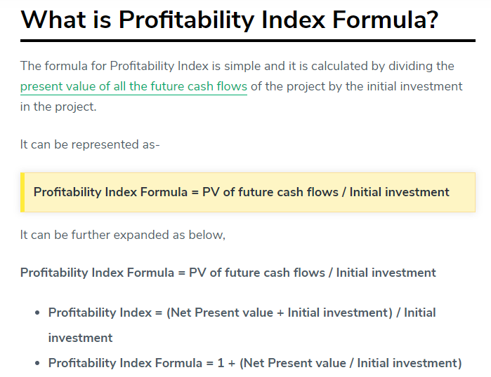
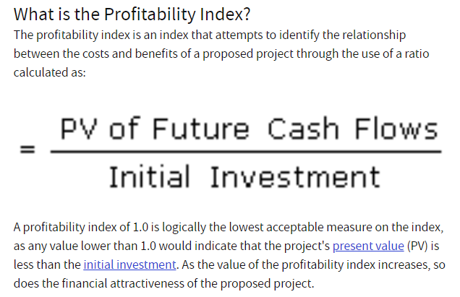

paul M. final 5.2.2019

FINAL 5.2.2019

(1a) Project Chart Analysis
ARCO CORPORATION - CAPITAL PROJECT ANALYSIS
 | After-Tax Cash Flow | Cumulative Cash Flow | Annual Revenue
0 | -$54,750,000 | $0 | $0
1 | $12,600,000 | $12,600,000 | $19,000,000
2 | $15,247,500 | $27,847,500 | $20,900,000
3 | $14,516,000 | $42,363,500 | $22,800,000
4 | $13,975,850 | $56,339,350 | $23,750,000
5 | $12,457,100 | $68,796,450 | $20,900,000
6 | $10,659,800 | $79,456,250 | $19,000,000
7 | $10,375,000 | $89,831,250 | $19,000,000

